Dashboard
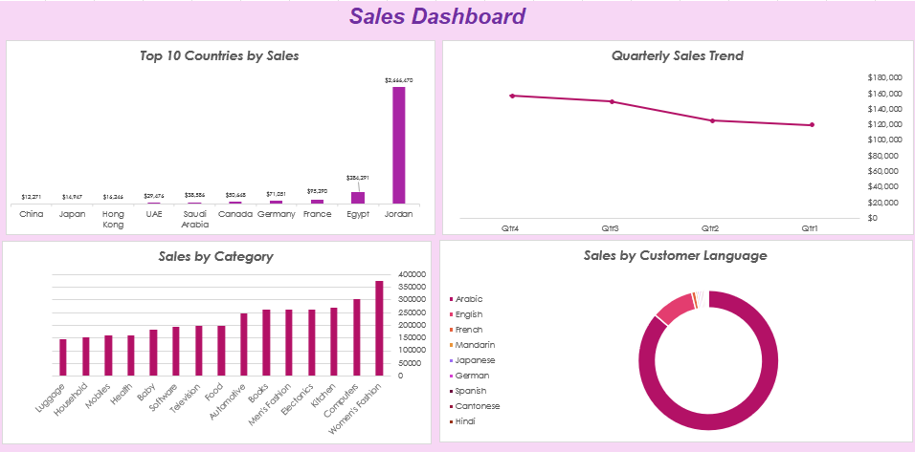

Top 10 countries by sales
Top 10 Countries by Sales
 | Total
Jordan | 2666470.05
Egypt | 284290.79
France | 95289.98
Germany | 71051.41
Canada | 50647.78
Saudi Arabia | 38585.75
UAE | 29475.95
Hong Kong | 16245.88
Japan | 14946.78
China | 12271.49

Row Labels | Sum of Total Selling Price
Jordan | 2666470.05
Egypt | 284290.79
France | 95289.98
Germany | 71051.41
Canada | 50647.78
Saudi Arabia | 38585.75
UAE | 29475.95
Hong Kong | 16245.88
Japan | 14946.78
China | 12271.49
Grand Total | 3279275.86

Sum by Customer Language
Sales by Customer Language
 | Total
Arabic | 2917336.94
English | 333410.47
French | 30396.44
Mandarin | 14460.03
Japanese | 13188.36
German | 11777.16
Spanish | 11343.94
Cantonese | 11176.18
Hindi | 9716.67
Portuguese | 6379.9
Italian | 6245.35
Persian | 3808.28
Dutch | 3366.07
Norwegian | 2651.9
Russian | 2228.8
Telugu | 576.4
Kazakh | 561.2
Czech | 503.1
Indonesian | 489.5
Romanian | 415.8
Mongolian | 394.83
Hungarian | 364.14
Icelandic | 121.38
Row Labels | Sum of Total Selling Price
Arabic | 2917336.94
English | 333410.47
French | 30396.44
Mandarin | 14460.03
Japanese | 13188.36
German | 11777.16
Spanish | 11343.94
Cantonese | 11176.18
Hindi | 9716.67
Portuguese | 6379.9
Italian | 6245.35
Persian | 3808.28
Dutch | 3366.07
Norwegian | 2651.9
Russian | 2228.8
Telugu | 576.4
Kazakh | 561.2
Czech | 503.1
Indonesian | 489.5
Romanian | 415.8
Mongolian | 394.83
Hungarian | 364.14
Icelandic | 121.38
Grand Total | 3380912.84

Sum by Item category
Sales by Category
 | Total
Women's Fashion | 375152.29
Computers | 305378.11
Kitchen | 269309.95
Electonics | 263319.98
Men's Fashion | 262802.8
Books | 262036.77
Automotive | 247311.07
Food | 199965.36
Television | 199929.35
Software | 194690.06
Baby | 183486.54
Health | 160939.24
Mobiles | 159052.76
Household | 152974.47
Luggage | 144564.09
Row Labels | Sum of Total Selling Price
Women's Fashion | 375152.29
Computers | 305378.11
Kitchen | 269309.95
Electonics | 263319.98
Men's Fashion | 262802.8
Books | 262036.77
Automotive | 247311.07
Food | 199965.36
Television | 199929.35
Software | 194690.06
Baby | 183486.54
Health | 160939.24
Mobiles | 159052.76
Household | 152974.47
Luggage | 144564.09
Grand Total | 3380912.84

Date
Quarterly Sales Trend
 | Total
Qtr1 | 119819.69
Qtr2 | 125335.33
Qtr3 | 150143.84
Qtr4 | 157225.86

Years (Transaction Date) | 2017

Row Labels | Sum of Total Selling Price
Qtr1 | 119819.69
Qtr2 | 125335.33
Qtr3 | 150143.84
Qtr4 | 157225.86
Grand Total | 552524.72

